Introduction
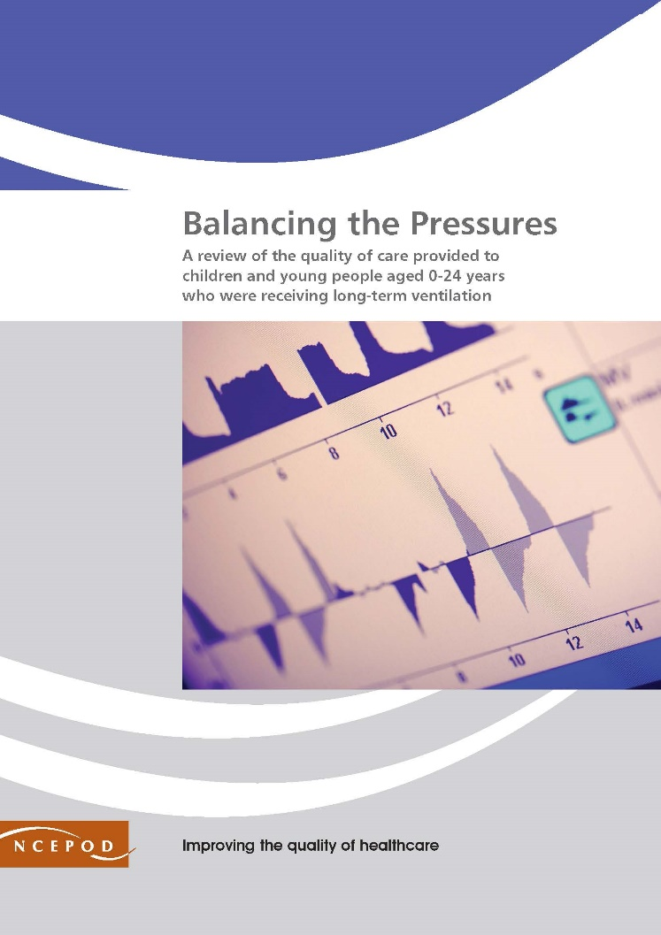

Long Term Ventilation
Audit Toolkit - Ongoing Care (tool 1 of 3)
Audit tools are available for hospital admissions and tracheostomy insertion (tools 2 and 3 on our website)

https://www.ncepod.org.uk/2020ltv.html
To be completed for patients aged 0-24 years receiving LTV
To be completed by the patient's ususal LTV team (we encourage you to share your results with the wider team)

Thank you for downloading the toolkit for ''Balancing the Pressures'. We hope you find this useful. If you have any feedback, please email us at info@ncepod.org.uk Please could you advise your local audit department if you plan to undertake this audit. It is important that they are made aware of it for the benefit of demonstrating Trust/Health Board activity and also so that they are in a position to support you and endorse the activity for your benefit.
Please complete as many questions which are applicable to the care of the patient. This NCEPOD study focused on a review of the quality of care provided to children and young people aged 0-24 years who were receiving long-term ventilation.
For information on the recommendation to which each question assesses, please click on the button
This toolkit can be used in conjunction with the Recommendation Checklist. This can be found by clicking on the adjacent report image or this link:
https://www.ncepod.org.uk/2020ltv.html

Summary
Extent to which each recommendation has been met (%)
Recommendation - Sub criteria question number (reference only)
 | 3 | 8 | 5 | RAG system (NCEPOD recommends these are set at the following limits, however these can be adapted by your Trust/Health Board where appropriate by amending the thresholds as required) | %
 | 3 | 5a | 6c
 | 4a | 5b | 6d
 | 4b | 5c | 6e
 | 4c | 5d
 | 4d | 5e |  | Green | 100
 | 4e | 5f |  | Amber | 50-99
 | 4f |  |  | Red | 0-49
 | 4g
 | 4h

 | Recommendation - Sub criteria questions (score)
 | 3 | 8 | 5
 | No data | No data | No data
 | No data | No data | No data
 | No data | No data | No data
 | No data | No data
 | No data | No data
 | No data | No data
 | No data
 | No data
 | No data

 | Average % of recommendation
 | No data | No data | No data

